Analysis
 | Christophe | Káthia | Total
Agreements | 55 | 54 | 109 | Agreement | 109
Partially agreements | 23 | 23 | 46 | Partially agreement | 46
Disagreements | 8 | 9 | 17 | Disagreement | 17
 | 86 | 86

Relations
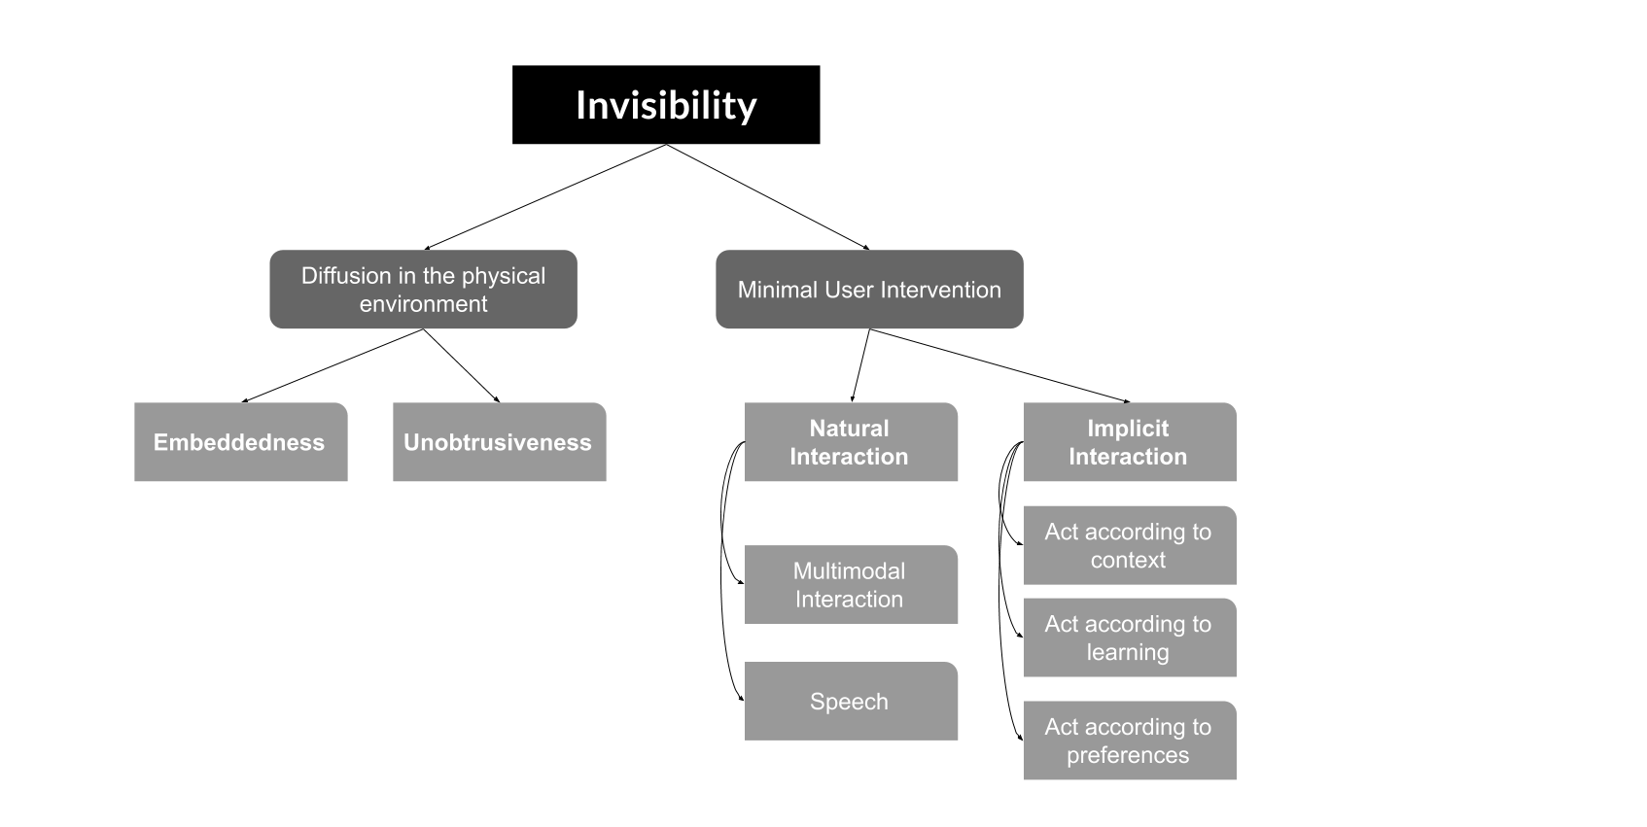

 | Evaluation
Invisibility Definition | I agree | I partially agree | I disagree | Comments | Suggestions
Minimal User Intervention
*Natural Interaction
**Speech
**Multimodal Interaction
*Implicit Interaction
**Act according to preferences
**Act according to context
**Act according to learning
Diffusion in the Physical Environment
*Unobtrusiveness
*Embeddedness

